Offer
Image | Item# | Description | PACK | IN | Prices | MSRP | Origin | Qty On Hand | UPC | UCC | Case Size | Wt | Cube | Tie | Hi | Item Size | Item Wt
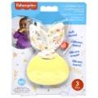 | HRB209564 | Fisher Price DDC Sensimals Teether on card | 4 |  | $2.65 | $8.99 | China | 6982 | 194735171378 | 50194735171373 | 7" x 6" x 7" | 1 | 0.17 | 49 | 13 | 5.5" x 1.5" x 7" | 2.5
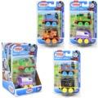 | HXK10963A | Fisher Price DDC Thomas Plastic 2pk Vehicle Asstd. | 3 |  | $3.70 | $12.99 | China | 2576 | 194735279746; Green & Black 194735279777; Orange & Black 194735279753; Yellow & Black | 50194735279741 | 5" x 4" x 7" | 1 | 0.08 | 51 | 24 | 4" x 1.5" x 6.5" | 2.5
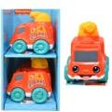 | HRP299564 | Fisher Price DDC Vehicle Fire Truck | 4 |  | $4.40 | $7.96 | China | 15688 | 194735182633 | 50194735182638 | 8" x 6" x 11" | 3 | 0.3 | 37 | 8 | 3.5" x 4.5" x 4.75" | 7
 | HXM319633 | Fisher Price RD Pink Maracas | 6 |  | $6.85 | $12.12 | Vietnam | 375 | 194735233422 | 50194735233422 | 13" x 4" x 7" | 2 | 0.21 | 33 | 13 | 4" x 2" x 6.5" | 5
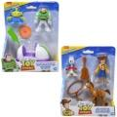 | JLC62963A | Fisher Price IMX Toy Story GC Figure Pack | 4 |  | $10.20 | $22.99 | Vietnam | 506 | 194735371211; Woody adventure 194735371204; Buzz Lightyear | 50194735371216 | 11" x 7" x 8" | 2.2 | 0.36 | 25 | 12 | 6.25" x 2.75" x 7.5" | 6
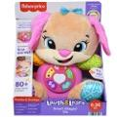 | JCT11 | Fisher Price DP Laugh & Learn Smart Stages Puppy Sis | 2 |  | $20.10 | $37.46 | Vietnam | 1178 | 194735275564 | 50194735275569 | 15" x 7" x 10" | 3 | 0.61 | 15 | 9 | 10" x 5.5" x 12" | 19
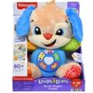 | JCT10 | Fisher Price Laugh & Learn Smart Stages Puppy | 2 |  | $21.35 | $40.00 | Vietnam | 324 | 194735275625 | 50194735275620 | 15" x 8" x 10" | 3 | 0.69 | 15 | 9 | 10" x 5.5" x 12" | 20
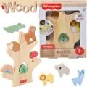 | JGV179993 | Fisher Price DDC Wooden Balance Tree | 6 |  | $7.45 | $14.86 | China | 4525 | 194735322657 | 50194735322652 | 11" x 7" x 9" | 6 | 0.4 | 22 | 10 | 6.5" x 1.75" x 8.5" | 15
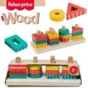 | HXV05963A | Fisher-Price DDC Wooden Shape Stacker | 6 |  | $4.85 | $9.99 | China | 2787 | 194735238187 | 50194735238182 | 10" x 9" x 7" | 4 | 0.36 | 28 | 10 | 8" x 3" x 2.5" | 10
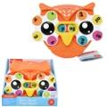 | JCT149993 | Fisher Price DDC Spin N Rhyme Fidget Spinner | 5 |  | $4.10 | $7.99 | China | 7831 | 194735275571 | 50194735275576 | 9" x 8" x 7" | 3 | 0.29 | 32 | 12 | 6" x 1" x 6" | 7.5
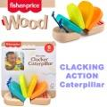 | JCY399993 | Fisher-Price DDC Wooden Clacker Caterpillar | 6 |  | $2.85 | $5.99 | China | 4175 | 194735279371 | 50194735279376 | 7" x 6" x 6" | 2 | 0.15 | 47 | 16 | 5" x 2" x 5.5" | 3.5
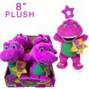 | HVF409993 | Fisher Price DDC Barney 8" Basic Plush | 4 |  | $2.30 | $9.99 | Vietnam | 22880 | 194735202409 | 50194735202404 | 9" x 8" x 8" | 1 | 0.33 | 25 | 12 | 3" x 2.5" x 8" | 2.5
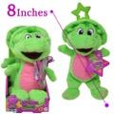 | HVF419993 | Fisher Price DDC Barney 8" Baby Bop Basic Plush | 2 |  | $2.30 | $9.99 | Vietnam | 34514 | 194735202416 | 50194735202411 | 9" x 4" x 7" | 1 | 0.15 | 45 | 13 | 3" x 2.5" x 8" | 3
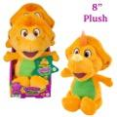 | HVF429993 | Fisher Price DDC Barney 8" Dino Basic Plush | 2 |  | $2.30 | $9.99 | Vietnam | 21317 | 194735202393 | 50194735202398 | 9" x 4" x 7" | 1 | 0.15 | 44 | 13 | 3.5" x 2.75" x 8" | 2.5
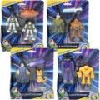 | HGT30956A | Fisher Price DP Imaginext Lightyear Basic Figure Asst | 6 |  | $5.80 | $14.99 | China | 164 | 194735057177; Buzz L & Sox (1) 194735057283; Darby & zap P.(1) 194735057184; Zurg & Zyclops (2) 194735057306; Alisha & Buzz (2) | 50194735057172 | 11" x 7" x 8" | 2 | 0.36 | 26 | 12 | 6.25" x 1.5" x 7.5" | 4
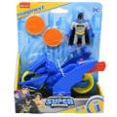 | HWD539564 | Mattel DP Imaginex DCSF Batman & Bike Set | 12 | 3 | $9.05 | $19.99 | China | 151 | 194735213030 | 50194735213035 | 16" x 13" x 8" | 5 | 0.96 | 9 | 12 | 6" x 2.75" x 7.5" | 6

